Hiearchy View
CLASS: DESKTOP HOUSING
rugged housing solution for desk or bench top applications, such as meters, test equipment, telecommunications, security and monitoring devices. | 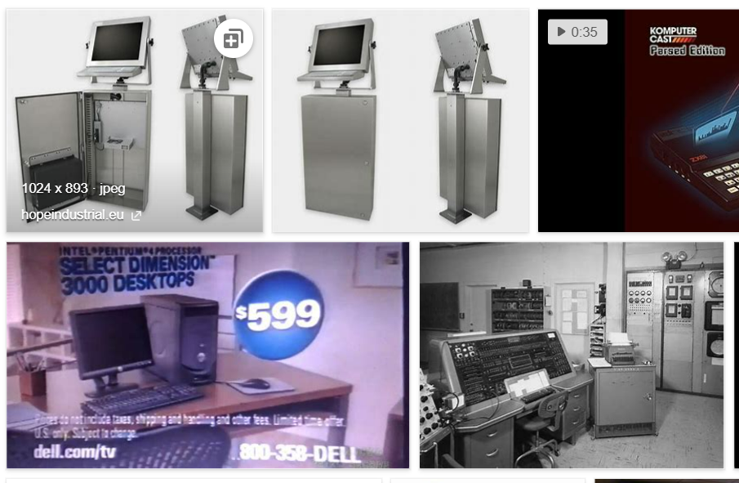
REMOVE | N

PROBLEM_DESC | CAUSE_DESC | REMEDY_DESC
BROKEN/DAMAGED
OTHER PROBLEM
OVERHEATING
POWER-ELEC
STOPPED/SLOWED/POOR OPS
TEMP-CTRL
VIBRATION
Grand Total

